ADMIN
When you login to SaralPOS, proceed to MASTERS and configure the below.

10 | 9 | 8 | 7 | 6 | 5 | 4 | 3 | 2 | 1
EMPLOYEE
DEPT & CAT
TILLS
VENDORS
CUSTOMERS
BARCODES
UOM
TAXES
CUSTOMER GROUPS
GST/HSN

Configure the barcodes according to the items
Create UOM according to the items
Configure the GST rates accd to the items .
Create Employee's
Create dept & cat accd to items
Configure from front end app
Create Vendors
Create Customers
Predefined Taxes
Create customer groups

1. Click on "Add Employee"
2. Input all the detail.
3. We need to allocate the roles according to the employee creation
Click on SAVE
1. Click on "Add Dept"
2. Create the Dept code, Dept Name and upload the photo
3. Click on SAVE
We cannot add any TILLS as we can only Reconcile tills and Assign Tills
1. click on "Add Vendor "
2. Input the necessary fields in the vendor page
3. click on SAVE
1. Click on "Add Customers"
2. A separate dailog box opens.
3. Input the necessary fields 4. Link the customer to the customer group
5. click on SAVE
1. Need to be configured from the front end application
1. Add new UOM.
2. Fill in the pop menu according to the items.
3. click on SAVE.
1. We cannot create Taxes as it is pre-defined.
1. Add new group
2. Fill in the pop menu
3. Click on SAVE
4. Customer group created
1. Click on "Add HSN code".

TEACHER
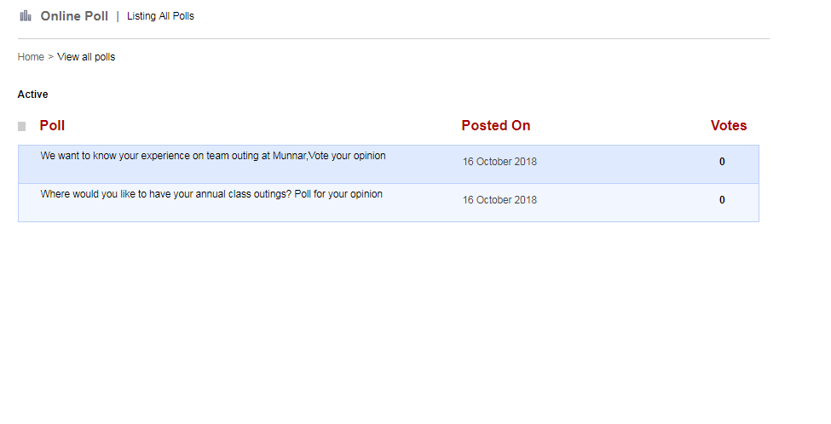
Academics
Online Poll
Username | E1
Password | E1123

Assignment
Attendance
Calendar
Disiplan
Examination
Leaves
Library
My Profile
Student Records

Assignment

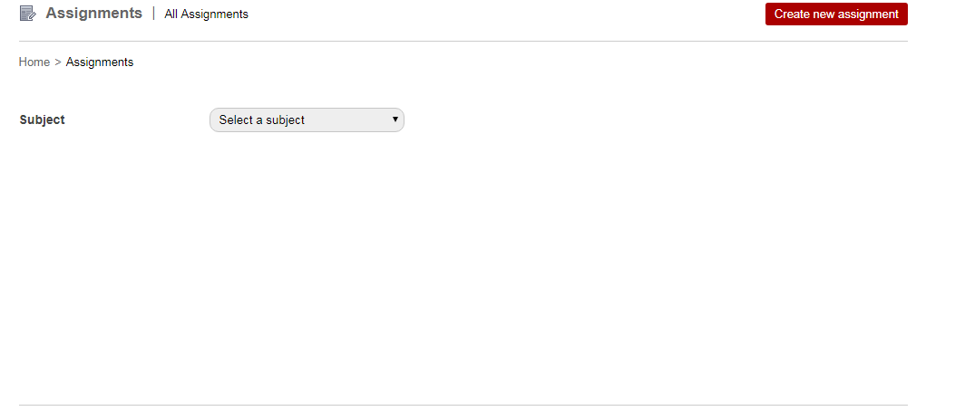
Create new assignment
Select the Subject

1. Click on Create new assignment
2. Fill in the necessary details .
Title, Select the Subject and select the Student, add content,attach the file,due date
3. click on Create new assignment
1.Created Assignments will be Updated in Students Login and Teacher Login
page.
1.Teacher Should able to Edit and Delete the Created Assignment
And Teacher can see the Assigned, Answered, Pending.

Attendance

Attendance Register
Attendance Report

1.After Teacher Updating the Attendance Register it will update in Teacher Attendance Report, Admin and Student portal.
1.Select the batch.
2.Select the Subject.
3.Sort by Name and Roll Number.
4.Register page will be visible according to batch and subject Students name will be available to the Teacher will update the Attendance Register.
1.Select the Attendance Report
2.Select the Batch.
3.Select the Subject.
4.Select the mode Eg:- Monthly, Overall,Custom Date
5.Selected the month and there is an another option select the month and Year
6.Selected the Overall the Attendance report should be visible.
7Selected the Custom Date (Select start Date & select end date)
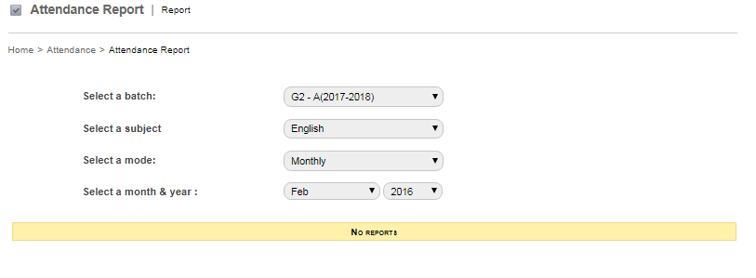
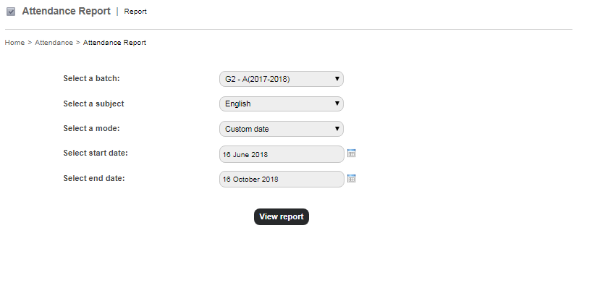
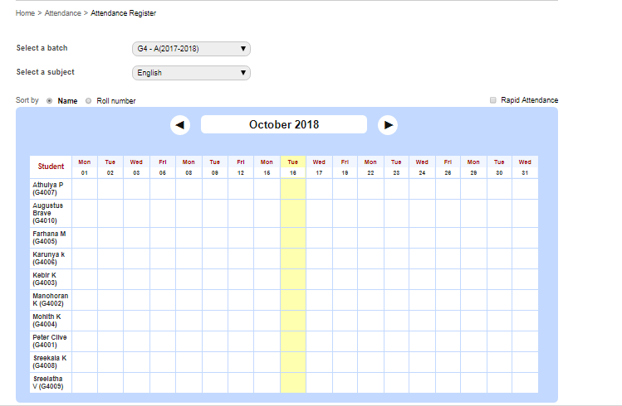

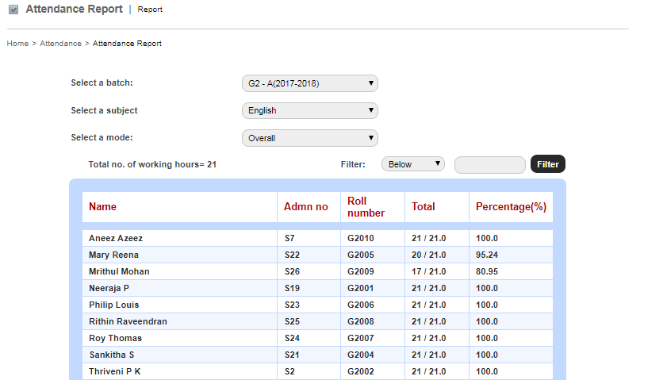

Calendar

1.Four options in calendar
1.Events
2.Examinations
3.Holidays
4.Dues
And particular colour
1.In calendar if Hover the Mouse to particular colour the details will be Visible in right side of the calendar.
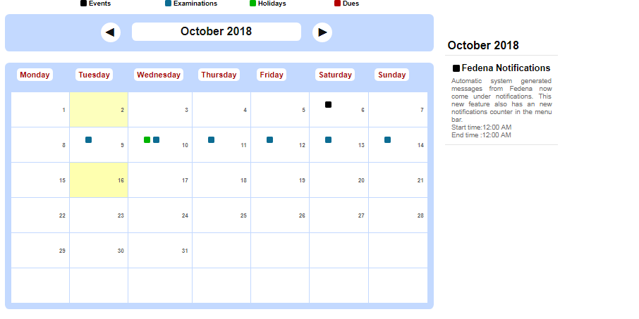
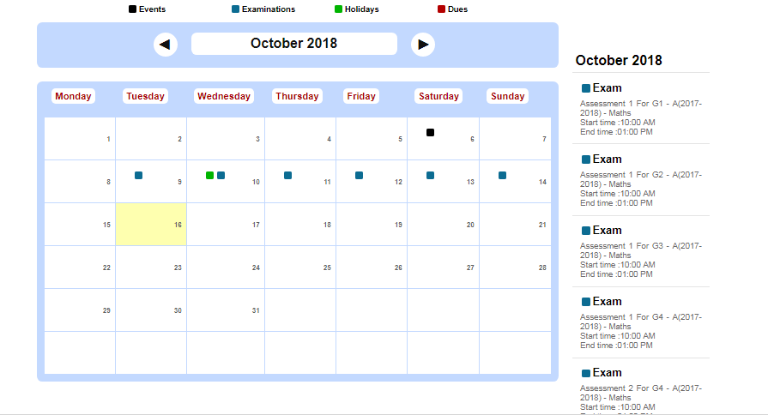

Discipline

1. Click on Discipline
2.When the Student create a Complaint it will be update in Teacher Login.
1.Teacher will have access to view and resolve the Complaints
2.Teacher can see the Status of complaint.
1.Teacher can Download the Document of Complaints.
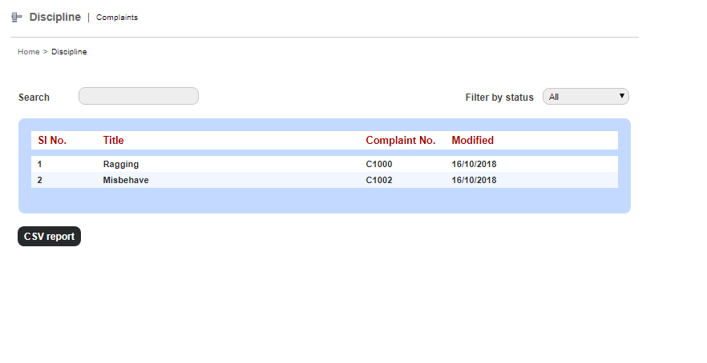

Examination

Reports Center
CCE Reports
ICSE Reports
Exam Management

Subject-Wise Report
Subject-wise Report
Student Ranking per Subject
CCE Reports
ICSE Reports
Consolidated Report
Detailed FA Report
CBSE Report
Upscale Report
Previous Batch Exam Report
Student-wise Report
Subject-Wise Report

Subject-Wise Report
SAME LIKE FIRST MODULE
1. Select the Batch and can see the Reports
1.select the Class(class name).
2.Batch(Batch name) 3.Subject(Subject name)
4. Report Type(Weightage) 5.Subject Category(All,Staff Child,Financially Week Student,Sibling in Institution), 6.Gender(Male, Female) and can see the Reports
ASL Report
1.Select class(class name).
1.Select Course(Course name).
1.Select Course(Course name).
2.Batch(Batch name) 3.Subject(Subject name).
4.Exam Group.
5.Report Type(Internal marks, External Marks,Internal marks &External Marks, Detailed Internal Marks, Detailed internal and External Marks) all drop downs.
1.Select the Batch.
2. Select the Subject
1.Select the Batch.
2. Select the Subject
1.select the Class(class name) 2.Batch(Batch name) 3.Assessment Group
4. Subject Category(All,Staff Child,Financially Week Student,Sibling in Institution) 5.Gender(Male, Female) and can see the Reports
1.select the Class(class name).
2.Batch(Batch name) 3.Subject(Subject name)
4. FA Group.
5.Subject Category(All,Staff Child,Financially Week Student,Sibling in Institution), 6.Gender(Male, Female) and can see the Reports
CBSE Scholastic Report
CBSE Co-Scholastic Report

1.Select Course(Course name).
2.Batch(Batch name) 3.Subject(Subject name).
4.Exam Group.
5.Report Type(Internal marks, External Marks,Internal marks &External Marks, Detailed Internal Marks, Detailed internal and External Marks) all drop downs.
1.Select class(class name).
2.Select Batch(Batch name).
3. Select Exam Group
4.Select Subject
1.Select class(class name).
2.Select Batch(Batch name).
3. Select ASL Gruop
 |  | 1. Click on Discipline
 |  | 2.When the Student create a Complaint it will be update in Teacher Login.
1.Select class(class name).
2.Select Batch(Batch name).
3. Select Observation Group

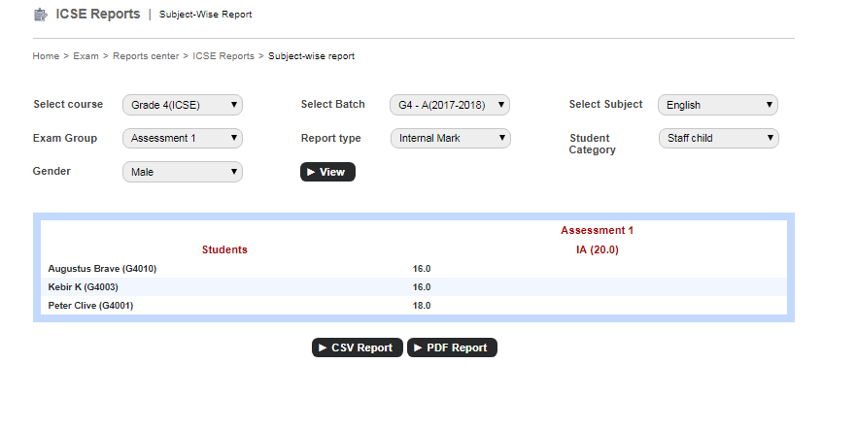

Leaves

My Leaves
Reportee’s Leaves
Apply Leaves

1.Applied Leaves will be Updated.
1.Leave Details

1.Enter the Details and Apply for leave

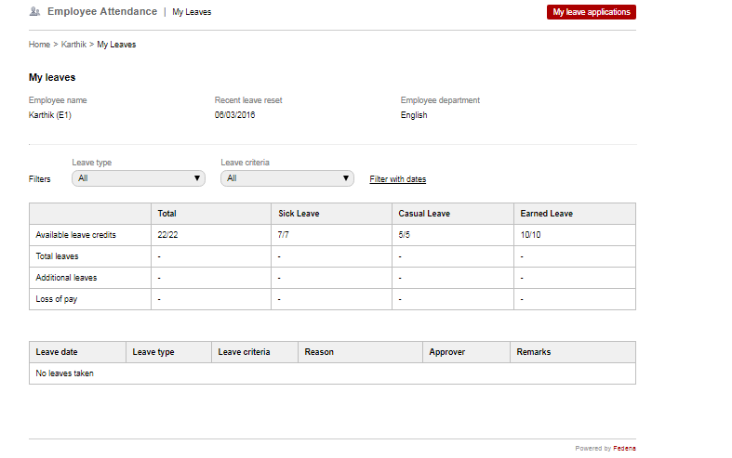
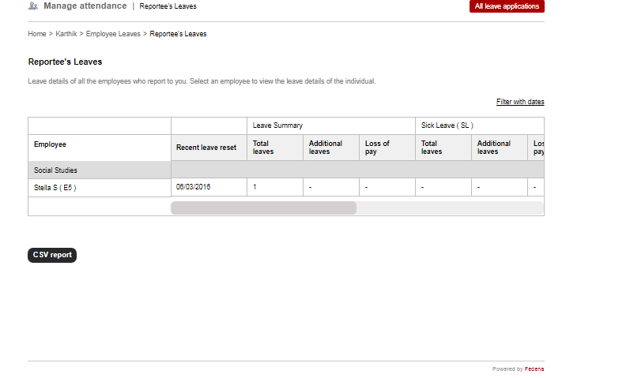

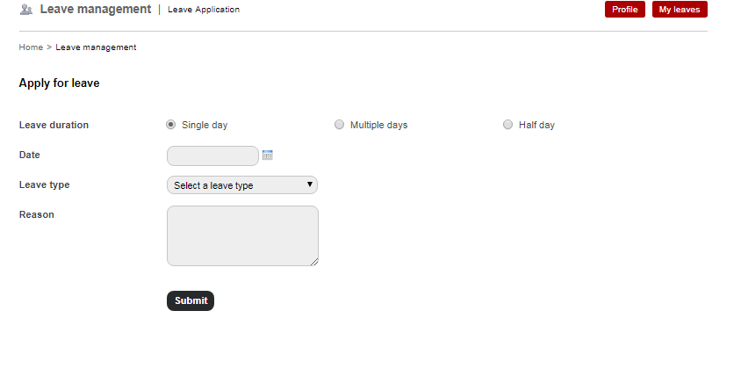

Library

My Profile

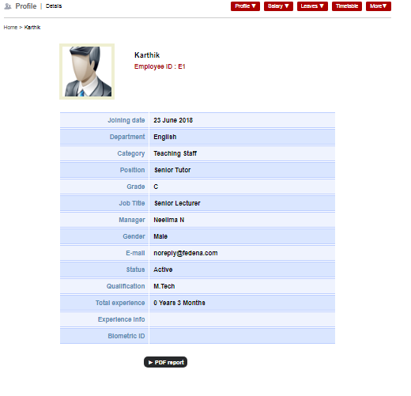

Student Records

PARENT
PURCHASE

VENDOR PAYMENTS
PURCHASE RETURN
PURCHASE ORDER
GOODS RECEIPT
PURCHASE INVOICE
STOCK TRANSFER

1. Click on Add PO
2.Click on Add New Item
3. Fill in the necessary details .
4. click on Save .
5.Click on Save Purchase Order.
1. Click on Add GR
2. Fill in the necessary details .
3. click on Save Goods Receipt
1. Click on Add PI
2. Fill in the necessary details .
3. click on Save Purchase .
1. Click on Add Stock Transfer
2.Click on Add New item.
3. Fill in the necessary details .
4. click on Save
5. click on OK
1. Click on Add Vendor Payment.
2. Fill in the necessary details .
3. click on Save .
1. Click on Add Purchase Return
2. Fill in the necessary details .
3. click on Save Purchase Return

DEMO ACCOUNT
SALES

SALES ORDER
SALESMAN COMMISSION
TRANSACTION ATTRIBUTE

1.Click on Add
Commission
2. Fill in the necessary details .
3. click on Save.
1.Perform sales operation in store front .
2.verify Sales Order in Back Office
1. Click on Add New Attribute
2. Fill in the necessary details .
3. click on Save.

